graph
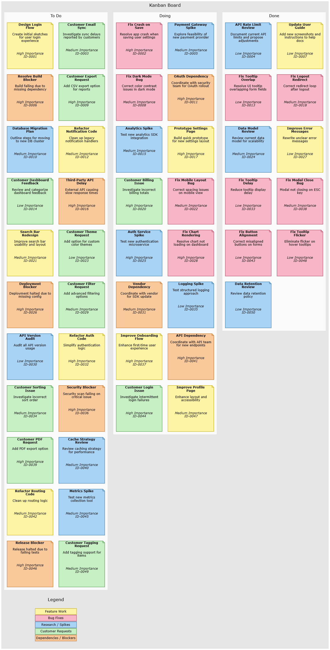

styles
Style Name | Format | Style Type | All Styles | No Clusters | No Edges
node |  | node | yes | yes | yes
edge |  | edge | yes | yes | no
subgraph-open |  | subgraph-open | yes | no | yes | 
subgraph-close |  | subgraph-close | yes | no | yes
keyword |  | keyword | yes | yes | yes
native |  | native | yes | yes | yes
⟳
✎
Feature Work | labelloc=top shape=note height=2 width=2 fixedsize=True fillcolor="#FFF4A3" color="#C2A600" fontname=Verdana fontsize=10 style=filled | node | yes | yes | yes | 
Bug Fix | labelloc=top shape=note height=2 width=2 fixedsize=True fillcolor="#F7B7C9" color="#B23A55" fontname=Verdana fontsize=10 style=filled | node | yes | yes | yes | 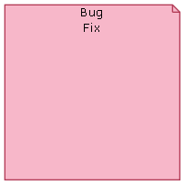
Research - Spikes | labelloc=top shape=note height=2 width=2 fixedsize=True fillcolor="#A9D3F5" color="#2A6FA1" fontname=Verdana fontsize=10 style=filled | node | yes | yes | yes | 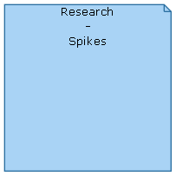
Customer Requests | labelloc=top shape=note height=2 width=2 fixedsize=True fillcolor="#C7EFC4" color="#3F8F3A" fontname=Verdana fontsize=10 style=filled | node | yes | yes | yes | 
Dependencies - Blockers | labelloc=top shape=note height=2 width=2 fixedsize=True fillcolor="#F9C89B" color="#C46A1B" fontname=Verdana fontsize=10 style=filled | node | yes | yes | yes | 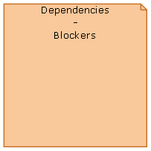
Kanban Board Begin | labelloc=top penwidth=0 pencolor="#333333" fillcolor="Gray90" fontname=Verdana fontsize=14 style=filled pack=18 packmode=array_tu3 | subgraph-open | yes | yes | yes | 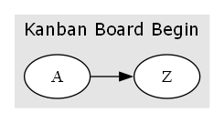
Kanban Board End |  | subgraph-close | yes | yes | yes
Status Begin | labelloc=top pencolor="#333333" fillcolor="Gray98" fontname=Verdana fontsize=12 style=filled pack=18 packmode=array_tu2 | subgraph-open | yes | yes | yes | 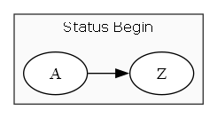
Status End |  | subgraph-close | yes | yes | yes
legend node | shape=none | node | yes | yes | yes

style designer
Label: | Kanban Board

Style Name: | Kanban Board

Format String: | labelloc=top penwidth=0 pencolor="#333333" fillcolor="Gray90" fontname=Verdana fontsize=14 style=filled pack=18 packmode=array_tu3 | 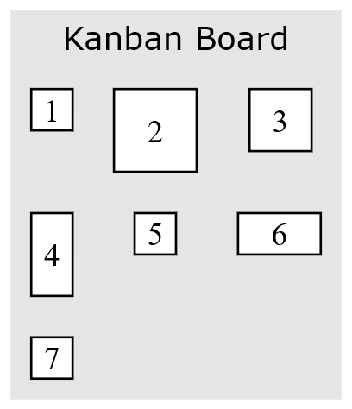

sql
 | SQL SELECT Statement | Data File | Status

# | Specify the workbook containing the data |  | SKIPPED
 | SET DATA FILE | kanban.xlsx | SUCCESS

# | Create the Kanban Board title, and define the packmode which creates the 3 columns |  | SKIPPED
 | SELECT '{' AS [Item], 'Kanban Board' AS [Label], 'Kanban Board Begin' AS [Style Name] |  | SUCCESS
# | Create the post-it notes, clustered by status (to-do, doing, done) and ordered by Task ID |  | SKIPPED
 | SELECT [Task ID] AS [Item], '<<b>' & [Task Short Name] & '</b><br/><br/>' & [Task Description] & '<br/><br/><br/><br/><i>' & [Importance] & ' Importance<br/>' & [Task ID] & '</i>>' AS [Label], REPLACE([Work Type],"/","-") AS [Style Name], 'sortv={rsc}' AS [Attributes], [Status] AS [CLUSTER], [Status] AS [CLUSTER LABEL], 'Status ' AS [CLUSTER STYLE NAME], SWITCH( [Status] = 'To Do', 'sortv=1', [Status] = 'Doing', 'sortv=2', [Status] = 'Done', 'sortv=3', [Status] = 'Archive', 'sortv=4', True, 'sortv=9' ) AS [CLUSTER ATTRIBUTES], 24 AS [SPLIT LENGTH], '<br/>' AS [LINE ENDING] FROM [tasks$] WHERE [Task ID] IS NOT NULL AND [Status] <> 'Archive' ORDER BY [Task ID] |  | SUCCESS
# | Create a legend at the bottom which specifies what color refers to what status. |  | SKIPPED
✎
▶
 | SELECT 'legend' AS [Item], 'Legend' AS [Tooltip], "<<font face='Verdana' point-size='10'> <table border='0' cellborder='1' cellspacing='2'> <tr><td bgcolor='#FFF4A3' color='#C2A600' >Feature Work</td></tr> <tr><td bgcolor='#F7B7C9' color='#B23A55' >Bug Fixes</td></tr> <tr><td bgcolor='#A9D3F5' color='#2A6FA1' >Research / Spikes</td></tr> <tr><td bgcolor='#C7EFC4' color='#3F8F3A' >Customer Requests</td></tr> <tr><td bgcolor='#F9C89B' color='#C46A1B' >Dependencies / Blockers</td></tr> </table> </font>>" AS [Label], 'legend node' AS [Style Name], 'legend' AS [CLUSTER], 'Legend' AS [CLUSTER LABEL], 'sortv=999' AS [CLUSTER ATTRIBUTES] |  | SUCCESS
# | Close the cluster used to group the columns |  | SKIPPED
 | SELECT '}' AS [Item], 'Kanban Board End' AS [Style Name] |  | SUCCESS
# | Render the graph |  | SKIPPED
 | PREVIEW |  | SUCCESS
 | PUBLISH |  | SUCCESS

